Summary and Charts
Statistics | Charts | Trades | Formula | Settings | Symbols | Monte Carlo
 |  |  |  | 1. Portfolio Equity
Statistics
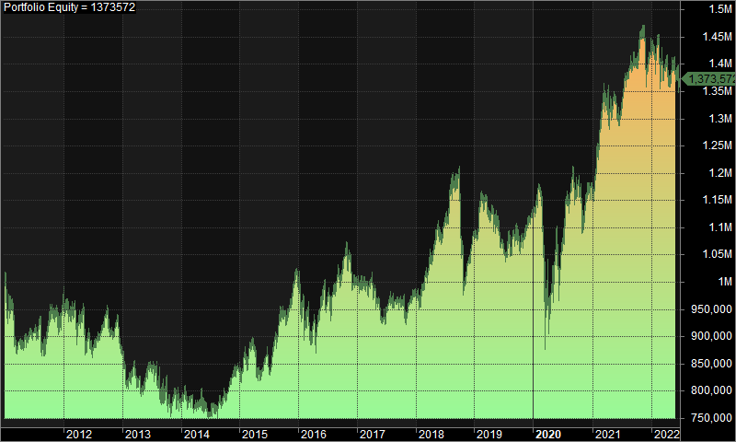
 | All trades | Long trades | Short trades
Initial capital | 1000000 | 1000000 | 1000000
Ending capital | 1373571.94 | 1000000 | 1373571.94
Net Profit | 373571.94 | 0 | 373571.94
Net Profit % | 37.36% | 0.00% | 37.36%
Exposure % | 3.23% | 0.00% | 3.23%
Net Risk Adjusted Return % | 1156.87% | N/A | 1156.87%
Annual Return % | 2.80% | 0.00% | 2.80%
Risk Adjusted Return % | 86.70% | N/A | 86.70%
Total transaction costs | 946779.18 | 0 | 946779.18

All trades | 1762 | 0 (0.00 %) | 1762 (100.00 %)
Avg. Profit/Loss | 212.02 | N/A | 212.02
Avg. Profit/Loss % | 2.47% | N/A | 2.47%
Avg. Bars Held | 115.6 | N/A | 115.6

Winners | 786 (44.61 %) | 0 (0.00 %) | 786 (44.61 %)
Total Profit | 7331911.79 | 0 | 7331911.79
Avg. Profit | 9328.13 | N/A | 9328.13
Avg. Profit % | 39.67% | N/A | 39.67%
Avg. Bars Held | 184.87 | N/A | 184.87
Max. Consecutive | 11 | 0 | 11
Largest win | 80743.95 | 0 | 80743.95
# bars in largest win | 180 | 0 | 180
 |  |  |  | 2. Underwater Equity

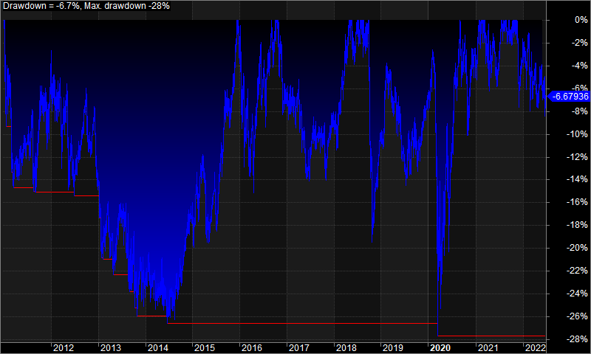
Losers | 976 (55.39 %) | 0 (0.00 %) | 976 (55.39 %)
Total Loss | -6958339.85 | 0 | -6958339.85
Avg. Loss | -7129.45 | N/A | -7129.45
Avg. Loss % | -27.49% | N/A | -27.49%
Avg. Bars Held | 59.81 | N/A | 59.81
Max. Consecutive | 13 | 0 | 13
Largest loss | -57074.79 | 0 | -57074.79
# bars in largest loss | 34 | 0 | 34

Max. trade drawdown | -65719.36 | 0 | -65719.36
Max. trade % drawdown | -99.92 | 0 | -99.92
Max. system drawdown | -335978.49 | 0 | -335978.49
Max. system % drawdown | -27.70% | 0.00% | -27.70%
Recovery Factor | 1.11 | N/A | 1.11
CAR/MaxDD | 0.1 | N/A | 0.1
RAR/MaxDD | 3.13 | N/A | 3.13
Profit Factor | 1.05 | N/A | 1.05
Payoff Ratio | 1.31 | N/A | 1.31
Standard Error | 98733.15 | 0 | 98733.15
Risk-Reward Ratio | 0.44 | N/A | 0.44
Ulcer Index | 12.25 | 0 | 12.25
Ulcer Performance Index | -0.21 | N/A | -0.21
Sharpe Ratio of trades | 0.72 | 0 | 0.72
K-Ratio | 0 | N/A | 0
 |  |  |  | 3. Profit Table

 |  |  |  | Year | Jan | Feb | Mar | Apr | May | Jun | Jul | Aug | Sep | Oct | Nov | Dec | Yr%
 |  |  |  | 2011 | -4.30% | -6.70% | -0.10% | -1.50% | 3.20% | 0.30% | 1.50% | -3.20% | 3.20% | 2.20% | -1.40% | 4.50% | -3.00%
 |  |  |  | 2012 | -0.90% | -2.70% | -2.00% | 3.10% | -4.90% | -2.60% | 3.50% | 1.70% | 2.50% | -4.60% | 3.20% | -6.10% | -10.10%
 |  |  |  | 2013 | -6.50% | 2.90% | -3.50% | -1.40% | 4.90% | 1.00% | 0.40% | -7.40% | 5.10% | -7.10% | 4.00% | -2.00% | -10.40%
 |  |  |  | 2014 | 1.80% | -0.60% | -2.40% | 0.90% | 0.00% | -3.40% | 2.80% | 1.30% | 1.40% | 1.20% | 3.70% | 0.70% | 7.50%
 |  |  |  | 2015 | 1.70% | 0.80% | 3.00% | -5.00% | 0.00% | 1.80% | 2.00% | 4.30% | 3.40% | -0.80% | 3.90% | 4.90% | 21.20%
 |  |  |  | 2016 | -6.90% | -2.60% | -1.60% | -2.90% | 8.70% | -0.20% | -1.00% | 5.60% | 0.50% | 5.30% | -1.80% | -3.40% | -1.30%
 |  |  |  | 2017 | -1.70% | 1.30% | 0.50% | -2.10% | -5.30% | -1.00% | 3.80% | 0.60% | 0.10% | -2.30% | 2.10% | 1.50% | -2.70%
 |  |  |  | 2018 | -1.20% | 3.70% | 3.30% | 2.60% | 3.80% | 0.50% | 5.20% | 0.30% | 3.30% | -17.60% | 4.70% | 4.20% | 11.10%
 |  |  |  | 2019 | 2.90% | 1.40% | -1.20% | 1.30% | -2.30% | -3.20% | -0.40% | 2.30% | -0.30% | -0.60% | 1.10% | 2.90% | 3.80%
 |  |  |  | 2020 | 1.10% | 1.30% | -17.10% | 2.40% | 8.50% | -1.90% | 10.60% | 2.10% | -0.30% | -3.80% | 1.90% | 2.60% | 4.90%
 |  |  |  | 2021 | 2.70% | 7.50% | 1.70% | 0.10% | 0.60% | -1.90% | 4.90% | 2.40% | -0.20% | 3.00% | -0.10% | -2.00% | 19.90%
 |  |  |  | 2022 | -0.10% | -2.70% | 1.60% | -2.70% | 3.80% | -2.80% | N/A | N/A | N/A | N/A | N/A | N/A | -3.10%
 |  |  |  | Avg | -1.00% | 0.30% | -1.50% | -0.40% | 1.80% | -1.10% | 3.00% | 0.90% | 1.70% | -2.30% | 1.90% | 0.70%

